Sheet1
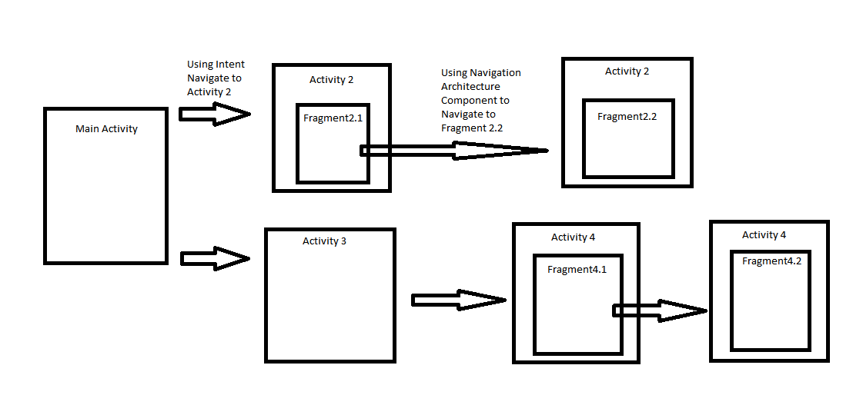
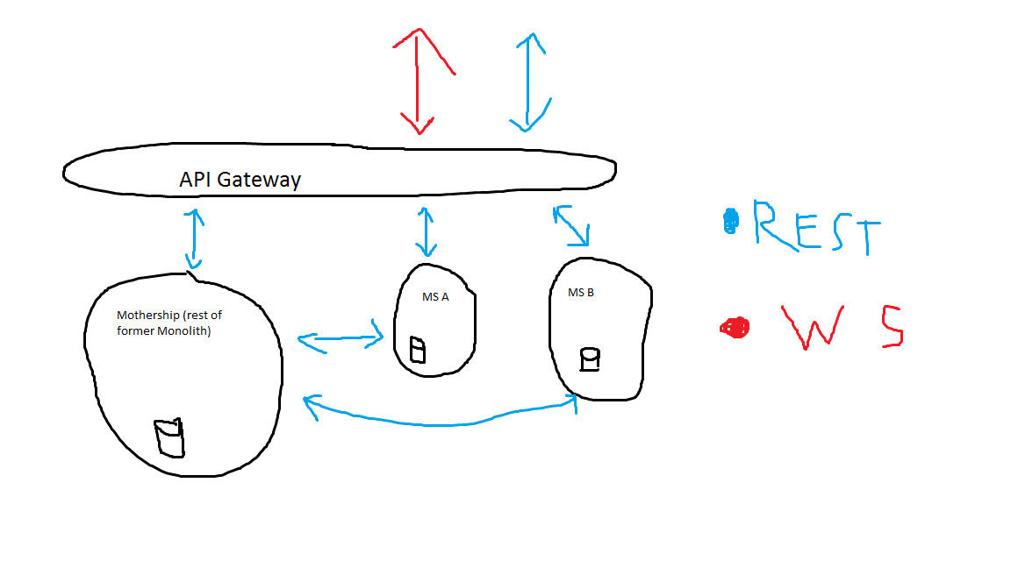
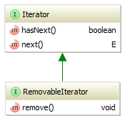
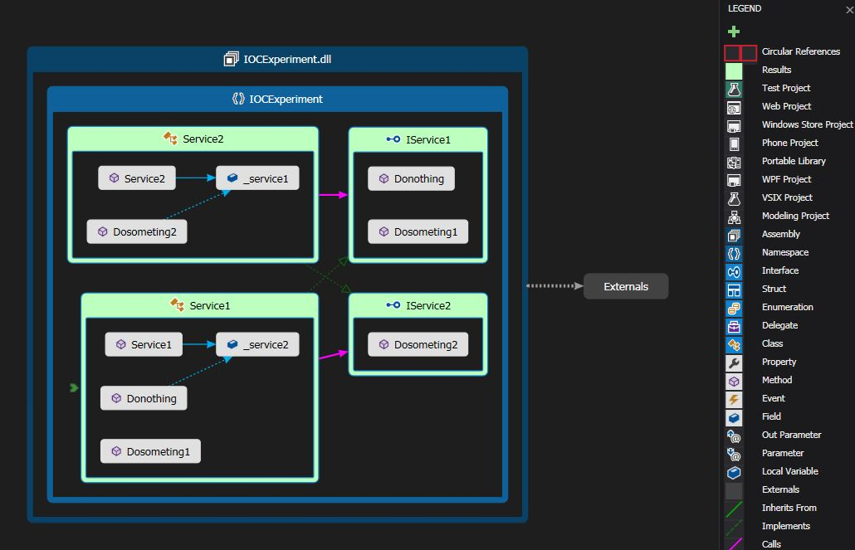
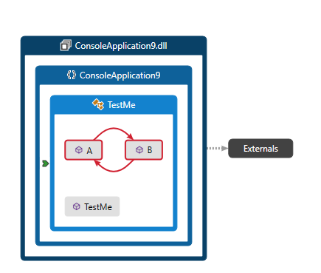
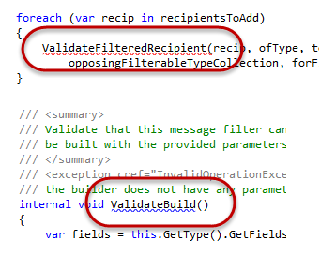
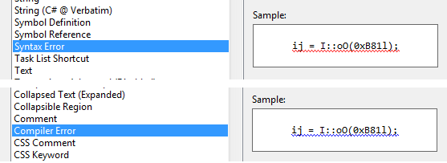
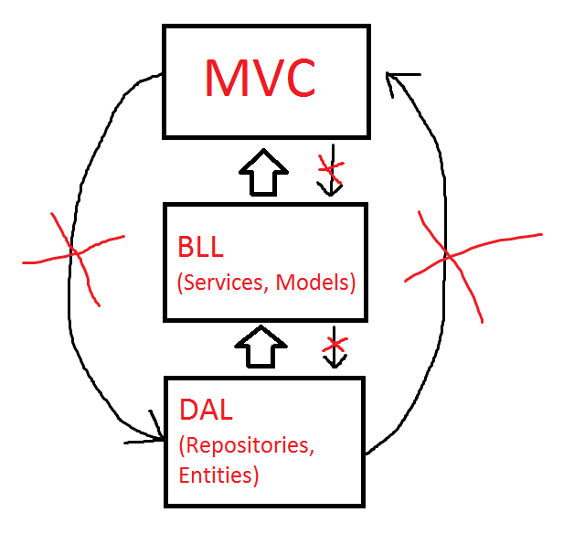
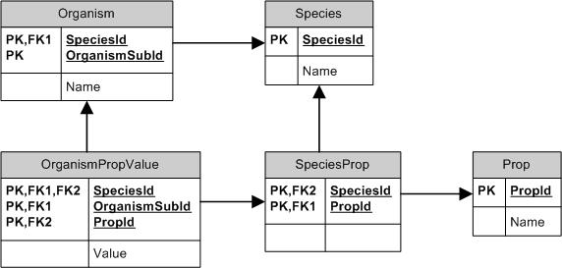
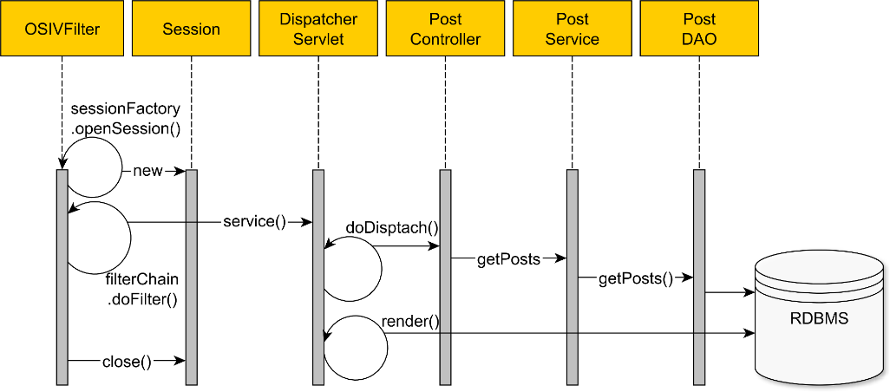
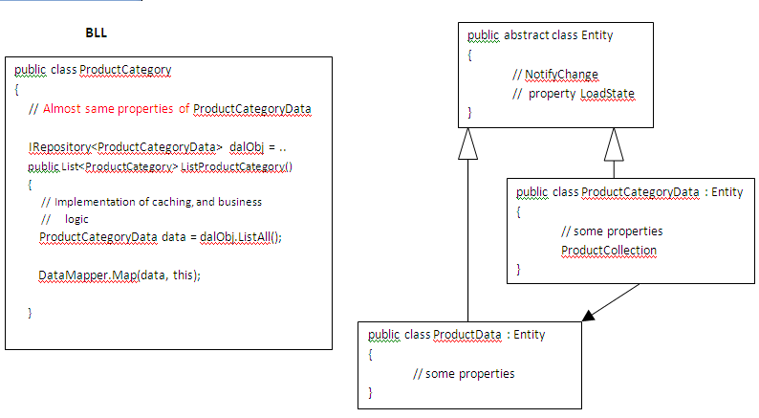
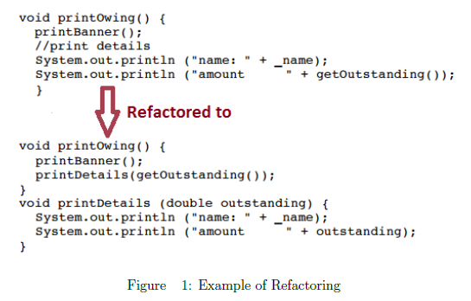
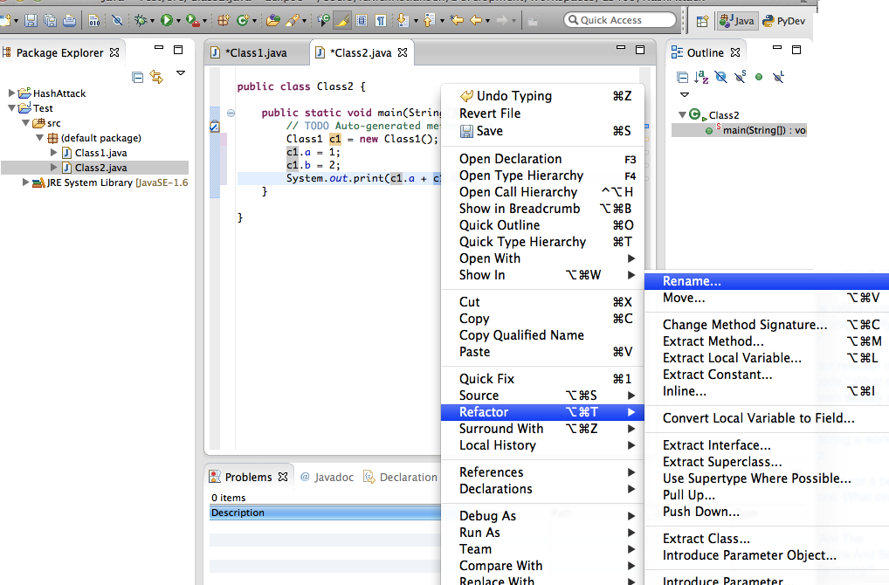
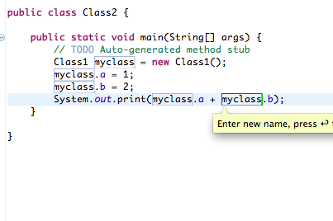
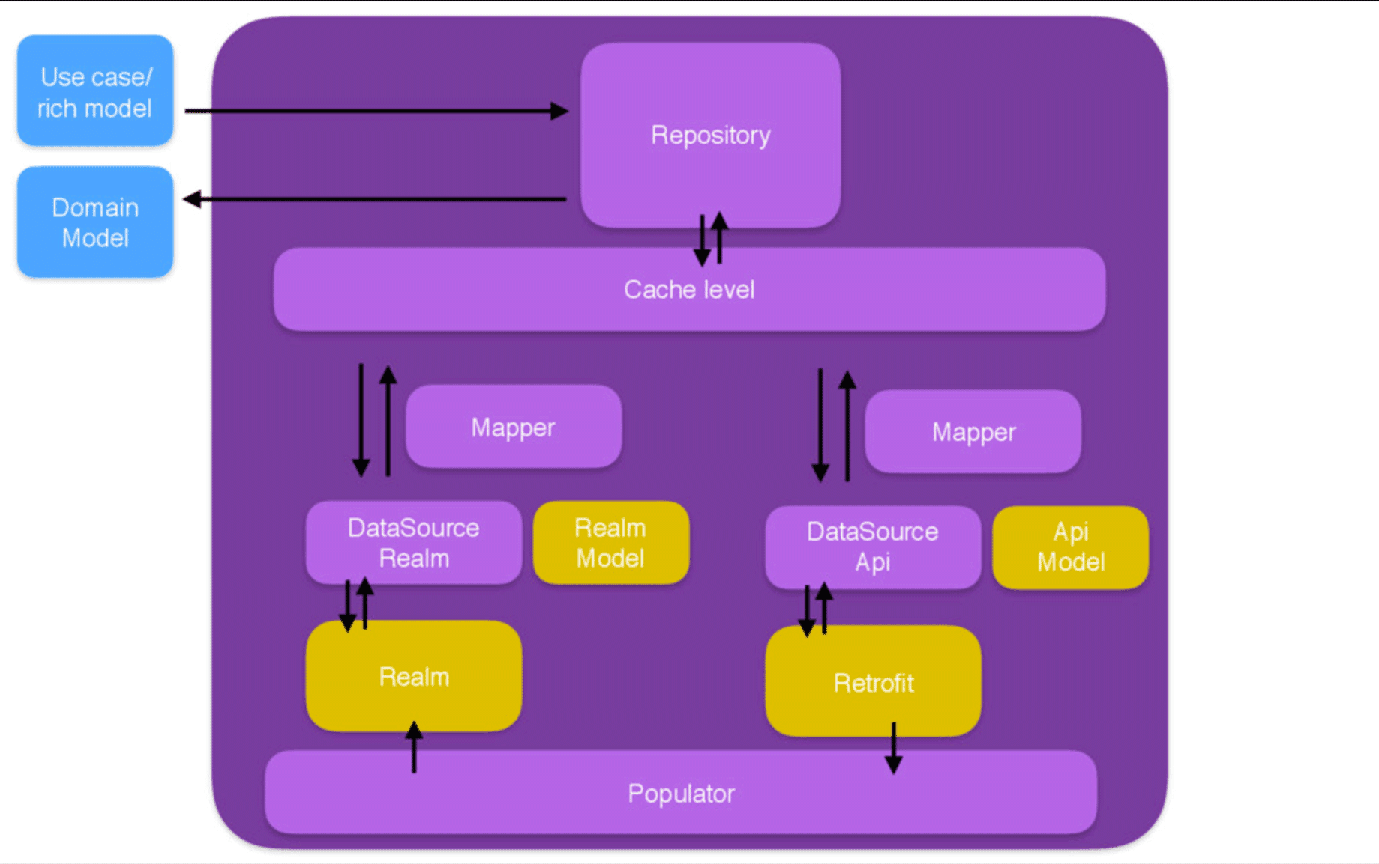
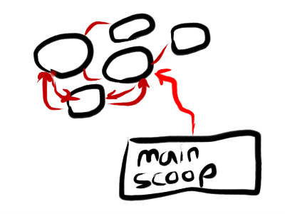
Link | labeled
How to implement a TCP/IP heartbeat on 2500+ sockets? | Initially I thought about just creating a loop and sending the heartbeat to my entire collection of sockets every xx number of seconds. However, I think this would be bad for performance.I'm currently developing a system to ensure high performance, availability and scalability; fail-over and crash recovery on a WebLogic integration scenario First, heartbeats are used by a server instance to advertise its availability - and only its availability - | QA-AT | 1
https://stackoverflow.com/questions/22951045/compile-flags-vs-configuration-options-tls-heartbeat | a high performance and as a library by it's nature does not have a configuration file as services do. Searching through Apache mod_ssl and Nginx HttpSslModule documentation I didn't see anything that would allow me to disable the Heartbeat functionality via configuration. Shouldn't this be an option? -EDIT- | QA-AT | 1
https://stackoverflow.com/questions/5297178/what-technologies-should-i-use-to-build-a-heartbeat-system?rq=1 | A really simple one-directional "ping" application should suffice. I'd use a single UDP socket at the server, listing for incoming messages on port foo and send "i'm alive" messages from the clients with a single UDP socket at each client with sendTo in an infinite loop with a sleep. No fancy threads/processes needed. What is the best way to achieve this type of funcationality? I thought of using Performance Counters and have SCOM listen for those but not sure if that is that best use of perf counters. | QA-AT | 1
https://stackoverflow.com/questions/2183416/customize-weblogics-heartbeat-message | I'm currently developing a system to ensure high performance, availability and scalability; fail-over and crash recovery on a WebLogic integration scenario.Does anybody know if it is possible to customize WebLogic's native heartbeat messages, to add some additional information such as current CPU usage and/or network load?The purpose is to allow load-balancing algorithms that use that "custom" information, to avoid overloading a struggling server with more requests. | QA-AT | 1
https://stackoverflow.com/questions/181225/distributed-event-handling-mechanism-for-java | But in my search for a distributed equivalent , I couldn't find anything that was lightweight enough to offer good performance.Edit: Putting numbers to indicate performance is a bit difficult. But for example, if you implement a heartbeating mechanism using events and the heartbeat interval is 5 seconds, the heartbeat receiver should receive a sent heartbeat within say a second or two. implementation gives good performance. A event handling mechanism involving a web server or any kind of centralized hub requiring powerful hardware (definitely not lightweight) to give good performance is not what I'm looking for. | QA-AT | 1
https://stackoverflow.com/questions/5297178/what-technologies-should-i-use-to-build-a-heartbeat-system | I have to build a heartbeat system (i.e. some(about 10) nodes on a network send regular "heartbeats" every few seconds to a central node). These nodes are ubuntu machines. So what would you suggest for the following choices : Server architecture - multiple threads or multiple processes etc.? The aim of the heartbeats is to quickly find any nodes that go down, or if nodes can't communicate with the central server. Performance on the client nodes is an issue, so I don't want to use java (because that would require installing a jvm). | QA-AT | 1
https://stackoverflow.com/questions/12383713/mysql-master-master-replication-or-drdb-heartbeat | First one its to create a master-master replication and deal with the load balancer to manage the failover.And the second one is to create an DRBD with heartbeat, with active-pasive database, creating a slave pointing to heartbeat virtual IP. | QA-AT | 1
https://stackoverflow.com/questions/39711895/overwriting-existing-values-in-unique-index-field-in-mongodb-aggregating-heartb | Processing heartbeats individually with their own handler using upsert. (Possible but adds some unnecessary(?) complexity to processing pipeline. Also batch mode highly is preferred.) Keeping heartbeats in memory and storing them to DB after some timeout. (Problem is that heartbeat timers should be able to pause. Also I would like to keep server stateless.) | QA-AT | 1
https://stackoverflow.com/questions/22951045/compile-flags-vs-configuration-options-tls-heartbeat | My best guess that this is a high performance library and as a library by it's nature does not have a configuration file as services do. Searching through Apache mod_ssl and Nginx HttpSslModule documentation I didn't see anything that would allow me to disable the Heartbeat functionality via configuration. Shouldn't this be an option?To clarify, everyone affected needs to revoke and replace affected SSL certificates. The primary problem here is that the vulnerability allowed anyone to pull 64 KB of application memory from a vulnerable server | QA-AT | 1
https://stackoverflow.com/questions/45668721/gatling-websocket-check-with-count-not-working | I'm running a performance test on a websocket. The websocket is returning a heartbeat message every 3 seconds and several data messages. I want to collect the messages returned by the websockt within a specific time interval (10 seconds) and count the data messages ignoring the heartbeat messages. | QA-AT | 1
https://stackoverflow.com/questions/22951045/compile-flags-vs-configuration-options-tls-heartbeat | My best guess that this is a high performance library and as a library by it's nature does not have a configuration file as services do. Searching through Apache mod_ssl and Nginx HttpSslModule documentation I didn't see anything that would allow me to disable the Heartbeat functionality via configuration. Shouldn't this be an option? | QA-AT | 1
https://stackoverflow.com/questions/9013737/heartbeat-activity-for-windows-service | They would like essentially a heartbeat for each Windows Service. Every 5 minutes the Windows Service would do something that could be monitored by Microsoft System Center Operation Manager (SCOM). Any solution must being easily monitored by SCOM as the server support team rely on it.What is the best way to achieve this type of funcationality? I thought of using Performance Counters and have SCOM listen for those but not sure if that is that best use of perf counters. | QA-AT | 1
https://stackoverflow.com/questions/17116767/internet-availability-notification-net-vs-native-c | The client application is running on Kiosks with average-to-low performance PCs, in order to optimize this and I am thinking of writing a separate native application that would be in charge of ping-ing the server heartbeat address. | QA-AT | 1
https://stackoverflow.com/questions/29949024/java-socket-sockssocketimpl-memory-clog | In our test lab setup we have two hosts, both acting as server/client as they are sending heartbeats to each other. I was running automated performance tests, and after 5 days RAM consumption increase was steady but consistent, on a first application. Since the tests did not target heartbeat application, this was not expected. | QA-AT | 1
https://stackoverflow.com/questions/59353303/reading-huge-file-and-writing-in-rdbms | Also the data which is retrieved from database should also be real time without any performance, availability or availability issues in web applicationHere is my approach: Deploy application in two systems boxes with each contains heartbeat which pings the other system for service availability. When you get a success response to heart beat,you also get the time stamp which is last successfully read. When the next heartbeat response fails, application in another system can take over, based on: 1. failed response 2. Last successful time stamp. | QA-AT | 1
https://stackoverflow.com/questions/181225/distributed-event-handling-mechanism-for-java | Edit: Putting numbers to indicate performance is a bit difficult. But for example, if you implement a heartbeating mechanism using events and the heartbeat interval is 5 seconds, the heartbeat receiver should receive a sent heartbeat within say a second or two.Generally, a lightweight implementation gives good performance. A event handling mechanism involving a web server or any kind of centralized hub requiring powerful hardware (definitely not lightweight) to give good performance is not what I'm looking for. | QA-AT | 1
https://stackoverflow.com/questions/51064176/spark-streaming-with-neo4j-hangs-while-running-with-docker | And even after I wait for a while streaming heartbeat times out. What may be the reason for such a Spark Streaming+Neo4j application performance with Docker and how it can be improved? | QA-AT | 1
https://stackoverflow.com/questions/62038889/avoid-connectionreseterror-errno-104-connection-reset-by-peer-from-celery-app | After code inspection, I found that a connection pool used under the hood. Hence no heartbeat send nor connection used more than 60 seconds. The connection is closed by RabbitMQ.To solve it, I though on two options:Disable connection pooling Adding a retry on ConnectionResetError Exception Any other elegant way, except disabling connection pooling, which might affect performance? | QA-AT | 1
https://stackoverflow.com/questions/29949024/java-socket-sockssocketimpl-memory-clog | was running automated performance tests, and after 5 days RAM consumption increase was steady but consistent, on a first application. Since the tests did not target heartbeat application, this was not expected. | QA-AT | 1
https://stackoverflow.com/questions/59488672/improve-performance-using-lua-and-roblox-studio | since the heartbeat code is running every single frame, using a coroutine to dispatch the work to a different thread that won't start until the next frame won't help much. So tried putting my function inside a co-routine but that didn't help. I am very new to lua and trying making games so I really don't know how to improve performance. | QA-AT | 1
https://stackoverflow.com/questions/59353303/reading-huge-file-and-writing-in-rdbms | Also the data which is retrieved from database should also be real time without any performance, availability or availability issues in web application Here is my approach: Deploy application in two systems boxes with each contains heartbeat which pings the other system for service availability. When you get a success response to heart beat,you also get the time stamp which is last successfully read. When the next heartbeat response fails, application in another system can take over, based on: 1. failed response 2. Last successful time stamp | QA-AT | 1
https://stackoverflow.com/questions/6662022/messaging-system-design-one-queue-per-one-message-type-vs-one-queue-for-all-m | ) Put all messages from the web interface to daemon in queue A, the heartbeat messages into queue B.If required, additional daemons may be connected to the queue (to improve performance). | QA-AT | 1
https://stackoverflow.com/questions/35718091/c-sharp-throw-webexception-and-socketexception-after-running-for-a-while | I wrote a C# program which post HTTP heartbeat request every 5 second,it runs well at the beginning,but after about 20-40 mins, it keeps throwing webException at the method HttpWebRequest.BeginGetRequestStream( ) ( or at HttpWebResponse.EndGetResponse() if I don't need to post data).I met this problem in some specific computers, whose performance wasn't that good. | QA-AT | 1
https://stackoverflow.com/questions/43642162/how-to-close-idle-connections-in-spring-jms-cachingconnectionfactory | I used the Spring JMS cachingconnectionfactory to improve the performance of the my application based on Spring Integration and IBM MQ. I put sessioncachesize as 10 as we have the max of 10 concurrent threads working (ThreadPoolTaskExecutor) on consume/sending messages. | QA-AT | 1
https://stackoverflow.com/questions/4634991/how-to-generate-100khz-clock-signal-in-liunx-kernel-module-with-bit-banging | First of all, can't get this 5us of dalay, but it's fine, looks like hw performance problem, so i moved to period = 40us (gives ~25kHz). Second problem is worst. Once per ~10ms udelay waits 3x longer than usual. I'm thinking that it's hearbeat taking this time, but this is is unacceptable from protocol (which will be implemented on top of this) point of view. Is there any way to temporary disable heartbeat procedure, lets say, for 500ms | QA-AT | 1
I've successfully installed the OMS Agent for Linux and I can see that at least performance metrics and heartbeat is being collected from our local machine after following this guide. However, I can't find any guidance on how to get logs from Docker containers from on-prem to cloud. | I've successfully installed the OMS Agent for Linux and I can see that at least performance metrics and heartbeat is being collected from our local machine after following this guide. However, I can't find any guidance on how to get logs from Docker containers from on-prem to cloud. | QA-AT | 1
https://stackoverflow.com/questions/7877461/architecture-guidance-for-a-rabbitmq-net-implementation | Heartbeat channel to check server is up and respond to server heartbeatI’m swinging towards using the plain api as it offers more flexibility as regarding stuff like threading/serialization/session management/security/compression but the product may be moved to Azure and offered as SaaS or PaaS, and having wcf endpoint would make sense to talk to publishers on both on/off windows, but that would be in the longer term | QA-AT | 1
https://stackoverflow.com/questions/52781018/celery-rabbitmq-becomes-slow | I'm here with a performance issue that I can't seem to figure it out. The problem is that executing tasks is too slow. Based on the celery log most of the tasks are finished under 0.3 seconds. I noticed that if I stop the workers and start them again the performance increases, almost up to 200 acks / second, then, after a while it becomes much slower, around 40/s. | QA-AT | 1
https://stackoverflow.com/questions/8513684/socket-io-with-extjs-and-socket-io-client | Yeap. This is called heartbeat. This help recevier of heartbeat to detect if there is problem in connection. Regarding the second part, if you try to send the object than it need to be deserialize and serialze. This will surely have the impact on performance. If you want to know the performance from network lag percpective than it should not be much difference. | QA-AT | 1
https://stackoverflow.com/questions/62049296/how-do-i-detect-peer-disconnects-with-messagepack-streaming-without-spinning-or | I have a thread calling the socket's InputStream#read to parse data input, and I would check for a -1 return to detect that the other side has closed the connection.This strategy doesn't appear to work in the context of using the InputStream with MessagePack. The unpacker has a hasNext method which returns a Boolean for if there is an element to unpack. If the stream closes and read returns -1, hasNext will just return false. So any thread looping on unpacker.hasNext will start spinning, which is not desirable. I can write a heartbeat to the socket every n seconds and look for an IOException. I'm not opposed to heartbeats in my application, in fact they're likely a requirement for me, but heartbeats are likely to be on 30sec or longer intervals, which means my receive thread still spins for at most that long. I realize 30sec of spinning isn't the absolute worst, but I definitely want to avoid it if it's at all possible. I want to detect the peer disconnect without performance hits | QA-AT | 1
https://stackoverflow.com/questions/18907591/socket-io-server-performance-and-bandwidth-usage/18907653#18907653 | The performance impact of the application also varies on the type of application you're running and the performance capability of your machine and/or network. However, 5000+ clients will have a considerable impact on performance, regardless of your computer's capabilities unless you are scaling the application across multiple cores, and the heartbeat interval of your application. | QA-AT | 1
https://stackoverflow.com/questions/982841/can-wpf-render-a-line-path-with-300-000-points-on-it-in-a-performance-sensitive | supposed to be able to handle numbers like that in a heartbeat? I need to find a way to implement this graph without slowing the application to a halt. I have faith that WPF's vector drawing platform will provide a solution, but I don't know enough about how to exploit WPF to be certain that I am getting the most out of WPF's high-performance rendering capabilities. | QA-AT | 1
https://stackoverflow.com/questions/982841/can-wpf-render-a-line-path-with-300-000-points-on-it-in-a-performance-sensitive | Or is WPF supposed to be able to handle numbers like that in a heartbeat? I need to find a way to implement this graph without slowing the application to a halt. I have faith that WPF's vector drawing platform will provide a solution, but I don't know enough about how to exploit WPF to be certain that I am getting the most out of WPF's high-performance rendering capabilities. | QA-AT | 1
https://stackoverflow.com/questions/982841/can-wpf-render-a-line-path-with-300-000-points-on-it-in-a-performance-sensitive | Is there a way to ask Spark to wait a bit longer for feedback from slower executors? Obviously waiting too long will have a negative effect on performance. The positive effect of utilising all cores should however balance out the negative effect. | QA-AT | 1
https://stackoverflow.com/questions/10034553/check-client-connections-on-server-architecture-design/10034626#10034626 | When checking your clients, server is acting as client to them, so it is actually two-way fair-right architecture. If you want a central node to be aware of client state, make clients 'say hello' to server by polling it with heartbeat message on certain interval. Once server does not receive next expected heartbeat, the client is considered dead. Starting more threads will not bring an advantage, but can rather result in poorer performance. Consider using worker thread or some kind of actor pattern to handle heartbeats. | QA-AT | 1
https://stackoverflow.com/questions/18153667/spin-up-a-report-collection-node-js-app-for-my-executable/18939070#18939070 | You could set up a heartbeat (a signal from your java application), and have the node app look for that (as part of the data it processes from the java application, or as a separate message). When there is no data, you still need to send the heartbeat. But as long as it is a small message, it will hopefully not impact your performance significantly. | QA-AT | 1
https://stackoverflow.com/questions/26264295/how-to-prevent-amazon-elb-sits-in-front-of-rabbitmq-close-connection-with-celery/26264296#26264296 | if ack not receive, it will re-build connection and send again. Only apply to py-amqp (ref), performance downgrades. Celery-RabbitMQ Heartbeat to keep connection active and avoiding ELB's auto close connection. Add additional network overhead, heartbeat might not deliver to both end in bad network environment and cause this solution not working. | QA-AT | 1
https://stackoverflow.com/questions/38753391/azure-application-insights-custom-alerts | What I'd like to have is kinda of a heartbeat of my application. One of our worker roles has different services running concurrently. I'd like to monitor if this services are running and what are their performance (on a metric defined by me, let say "number of messages processed in a minute"). | QA-AT | 1
https://stackoverflow.com/questions/62214250/java-why-waiting-for-multiple-semaphores-doesnt-work | What I'd like to have is kinda of a heartbeat of my application. One of our worker roles has different services running concurrently. I'd like to monitor if this services are running and what are their performance (on a metric defined by me, let say "number of messages processed in a minute"). | QA-AT | 1
https://stackoverflow.com/questions/10527957/create-perfect-multithreaded-model-for-different-sort-of-tasks-for-window-servic | Now I am finding difficulty in arranging it properly so that my service start/stop will not be affected and everything should be perfect designed as per scalability and performance?Meanwhile i have some set of settings need to be refreshed at certain time interval. | QA-AT | 1
https://stackoverflow.com/questions/59024271/processing-kafka-messages-taking-long-time | large messages are frequent enough to cause a lot of rebalances and cost a lot of performance (since while the group is rebalancing, nothing is getting done, and then the "dead" client re-joins again and causes another rebalance). | QA-AT | 1
https://stackoverflow.com/questions/45375313/compute-engine-mysql-server-cpu-strange | PDATE I have noticed when the VPU starts dropping during the heartbeat section of the graph the PHP script is no longer running. | QA-AT | 1
https://stackoverflow.com/questions/26624448/issues-with-websocket-check-didnt-succeed-by-the-time-a-new-one-was-set-up | I am running performance tests using gatling. Gatling is scaling very well for API calls but i find consistent exceptions on websockets. I am not sure if it is a server-side or client-side issue. Ia ms ending websocket heartbeats and waiting for replies from the server using check() | QA-AT | 1
https://stackoverflow.com/questions/25984602/what-is-a-reasonable-value-for-heartbeat-in-rabbitmq/25990041#25990041 | heartbeatValue representing the heartbeat delay, in seconds, that the server sends in the connection.tune frame. If set to 0, heartbeats are disabled. Clients might not follow the server suggestion, see the AMQP reference for more details. Disabling heartbeats might improve performance in situations with a great number of connections, but might lead to connections dropping in the presence of network devices that close inactive connections | QA-AT | 1
https://stackoverflow.com/questions/28546370/what-are-my-other-options-to-reduce-resource-usage-on-shared-hosting | Going through the logs, your CPU usage is mostly from the Wordpress Dashboard, so disabling the heartbeat feature should reduce your usage the most. | QA-AT | 1
https://stackoverflow.com/questions/59659966/what-is-the-kube-node-lease-namespace-for/59660121#59660121 | Heartbeats, sent by Kubernetes nodes, help determine the availability of a node | QA-AT | 1
https://stackoverflow.com/questions/60716559/is-it-possible-to-make-a-rest-request-to-flask-within-1-millisecond/60716672#60716672 | If you are designing just a heartbeat app and you want to stick with python. connexion and requests are not the right candidates for that. You can try bjoern server and python's http-client together. This will reduce a lot of wrapper logic in the code. It will improve the performance for sure. I cannot predict the benchmark at this point. | QA-AT | 1
https://stackoverflow.com/questions/42962495/external-code-using-select-with-large-numbers-of-file-descriptors | I understand that heartbeat, hb might be possible somehow to increase the value of FD_SETSIZE, but I assume that would hurt performance a lot because of the way select() works, and it strikes me as a hack rather than a real solution. | QA-AT | 1
https://stackoverflow.com/questions/42962495/external-code-using-select-with-large-numbers-of-file-descriptors | I understand that heartbaet might be possible somehow to increase the value of FD_SETSIZE, but I assume that would hurt performance a lot because of the way select() works, and it strikes me as a hack rather than a real solution. | QA-AT | 1
https://stackoverflow.com/questions/58599695/fastest-approach-to-read-and-process-10k-excell-cells-in-python-pandas | maybe just '1' as often is used as market 'heartbeat', a sort of fake order. My approach is to use Pandas/Xlwings/ and 'isin' method. Is there a more efficient approach that might improve my script performance? | QA-AT | 1
https://stackoverflow.com/questions/23798193/what-is-heartbeat-replication-monitoring/23798932#23798932 | sets the interval in seconds between replication heartbeats. Whenever the master's binary log is updated with an event, the waiting period for the next heartbeat is reset. interval is a decimal value having the range 0 to 4294967 seconds and a resolution in milliseconds; the smallest nonzero value is 0.001. Heartbeats are sent by the master only if there are no unsent events in the binary log file for a period longer than interval. | QA-AT | 1
https://stackoverflow.com/questions/46579543/recommendation-to-improve-wp-admin-panel-performance/46830975#46830975 | What I have found during my fight with slow wp-admin is the heartbeat wordpress functionality which is responsible for autosaving and making thousands of copies of same post. It sets autosave interval. Its a performance-killer but in my case (woocommerce with few thousand records) it helped a bit to improved speed of admin panel, may be usefull for you aswell. | QA-AT | 1
https://stackoverflow.com/questions/49042085/how-to-setup-hazel-cast-spanning-multiple-data-centers-in-cloud-environment/49046790#49046790 | 3) Start using pm2 instead of forever. Pm2 allows clustering for your app which improves the performance. I think this may improve your app's performance, stability and robustness | QA-AT | 1
https://stackoverflow.com/questions/49042085/how-to-setup-hazel-cast-spanning-multiple-data-centers-in-cloud-environment/49046790#49046790 | to ensure there's a stable connectivity between the two data centers, otherwise you may have cluster instabilities (heartbeat timeouts between nodes, long running migrations, etc.) which would degrade your cluster performance significantl | QA-AT | 1
https://stackoverflow.com/questions/43222332/is-socket-io-ideal-for-chat-module/43222760#43222760 | The performance impact of the application also varies on the type of application you're running and the performance capability of your machine and/or network. However, 5000+ clients will have a considerable impact on performance, regardless of your computer's capabilities unless you are scaling the application across multiple cores | QA-AT | 1
https://stackoverflow.com/questions/58506490/oscillating-hazelcast-instance/58608020#58608020 | Typically when a node joins/exits it is due to failure of heartbeats. This can be caused by numerous issues such as half open socket. Yes performance is negatively impacted since as a node joins or leaves the map data is migrated. | QA-AT | 1
https://stackoverflow.com/questions/31958572/sockets-stop-sending-messages-but-not-timing-out/31976407#31976407 | My solution is to use a heartbeat function (along with modifying my use of PrintWriter as EJP suggested), sending from the client to the server every 45 seconds. I'll most likely randomize the time somewhat just to handle the case in which a ton of people log in at the same time and affect the server's performance. | QA-AT | 1
https://stackoverflow.com/questions/26408559/sql-table-event-store-as-a-queue-in-qt-app | Load-balancer is just a dispatcher. Seems that I need to keep a heartbeat between processes via TCP. Would be faster....Implementing something like the RAFT protocol is an overkill at this stage! | QA-AT | 1
https://stackoverflow.com/questions/5343811/do-too-many-undefined-index-or-undefined-variable-errors-effect-server-performan/5343888#5343888 | f you have some errors in your code, these errors should be your concern, not related performance. If you have your logs flooded with waste errors, obscuring real important ones, you have to turn these minor ones off. Not because of system's performance but because of programmer's performance, letting him get in touch with site heartbeat. | QA-AT | 1
https://stackoverflow.com/questions/58379770/hazelcast-lock-instance-death/58380221#58380221 | Short version: The CP subsystem has a session mechanism that keeps track of the liveness of all members. When it recognizes the member holding the lock has died, the lock will be released. The session heartbeat mechanism can be tuned if needed to meet the performance needs of the specific application. | QA-AT | 1
https://stackoverflow.com/questions/19586134/boost-asio-write-operation-on-client-is-blocked-when-server-down/19596464#19596464 | You may wish to enable TCP keep alive. Though be careful as it too is not a silver bullet, it merely indicates the TCP stack on both ends is alive and well; which says nothing about the application availability. The various timeous are also somewhat tricky to configure for all environments. | QA-AT | 1
https://stackoverflow.com/questions/620877/what-algorithms-there-are-for-failover-in-a-distributed-system/624591#624591 | Heartbeats are actually a pretty good way to do this. The problem is that you have false positives, but that's kind of unavoidable, and in a cluster on the same LAN with manageable load they're accurate. The good thing about Paxos is that false positives are dealt with automatically. However, if you actually need failure information for some other purpose then you need to make sure it's ok that you detect a node as failed, but it actually is just under load and taking time to respond to a heartbea | QA-AT | 1
https://stackoverflow.com/questions/23646910/how-to-keep-connection-alive-in-gos-websocket | And I have search in Google, it seems websocket protocol has a ping-pong heartbeat to maintain the connection, I want to ask whether code.google.com/p/go.net/websocket support this ping protocol or not? | QA-AT | 1
https://stackoverflow.com/questions/9969264/long-pulling-php-ajax-server-performance | I neglected to use the proper CSS prefixes to insure cross-browser compatibility. However, when I decided to check it in Safari and Firefox I noticed that my ":hover" events weren't translating properly, and so far I have been unable to fix it. I do not need this project for anything, but I would like some help figuring out why this is occurring so I can be prepared to address this issue in future developments. | QA-AT | 1
https://stackoverflow.com/questions/17625959/nodejs-socket-io-server-doesnt-fire-disconnect-or-close-events-when-client/30500075#30500075 | The migration doc didn't meet expectations, they said the are providing backward compatibility for heartbeat timeout and heartbeat interval, http://socket.io/docs/migrating-from-0-9/#configuration-differences | QA-AT | 1
https://stackoverflow.com/questions/9338156/how-to-detect-client-callback-channel-fault-in-service/9338832#9338832 | hen some number of heartbeats (say 2) is missed, assume the other end has disconnected. Otherwise, there's no way for the server to know the client has disconnected unexpectedly, until it times out. don't think you're going to get a solution to this. If you didn't need WS* compatibility, you could conceivably create a custom binding and channel that sent heartbeat packets between client & server periodically, similar to HTTP Long polling. | QA-AT | 1
https://stackoverflow.com/questions/3584288/can-the-unload-event-be-used-to-reliably-fire-ajax-request/3586772#3586772 | he most reliable way was to set the src of an image to the freeing script. We actually used both the unload and onbeforeunload for cross browser compatibility. It didn't work in web kit nightlies but management was OK with that. that was not my proposed solution. I would use a heartbeat approach which involves more work but is much more robust. Your page should send out periodical heartbeat requests. Each request sets the last heartbeat from a page. You then need a thread that runs on the server and clears memory if the last heartbeat was too long ago. | QA-AT | 1
https://stackoverflow.com/questions/14796615/moving-from-qt-to-boost-networking/14798791#14798791 | Yes, the only portable & reliable way is to send some heartbeat. I don't know how Qt does that, but try cutting the network cable and see whether you get any notification from Qt. | QA-AT | 1
https://stackoverflow.com/questions/21045045/how-to-detect-disconnection-of-serial-port-connection-with-javax-comm/21045647#21045647 | above that the most reliable/portable solution is to implement some heartbeat messaging (you send a message, wait for a response, like a TCP/IP PING), and generate a 'disconnect' event if you don't get a response within some timeout. | QA-AT | 1
https://stackoverflow.com/questions/2846440/linux-ha-cluster-what-are-the-differences-between-pacemaker-heartbeat-coros | Pacemaker, Heartbeat, Corosync seem to be part of a whole HA stack, but how do they fit together? How does wackamole differ from Pacemaker/Heartbeat/Corosync? I've seen opinions that wackamole is better than Heartbeat because it's peer-based. Is that valid? The last release of wackamole was 2.5 years ago. Is it still being maintained or active? | QA-AT | 1
https://stackoverflow.com/questions/19117809/heartbeats-and-log-messages-over-udp | now wish to extend this such that the workers send heartbeats (with usage statistics to facilitate load balancing) and log messages (for support) to the controller. The controller will use the statistics to tell the client which server to connect to and write the log messages into the database to make them queryable for suppor | QA-AT | 1
https://stackoverflow.com/questions/1380427/are-there-any-protocols-standards-on-top-of-tcp-optimized-for-high-throughput-an/2803668#2803668 | In general, with current level of networks reliability it always worth putting your protocol on the top of UDP. Whatever having session sequence number, NACK+server-to-client-heartbeat and binary marshalling should be close to theoretical performance | QA-AT | 1
https://stackoverflow.com/questions/14445185/dbcc-checkident-reseed-is-new-value-required | Is there a reason (performance or otherwise) that extracting the value using MAX first is preferred? Piggyback: the reason I need to reseed is because I'm using replication and identities keep getting set to Null each time the database replication runs. What am I doing wrong? How can I maintain the correct identity seed for each table? | QA-AT | 1
https://stackoverflow.com/questions/3488438/need-advice-for-type-of-tcp-server-to-cater-for-this-type-of-application/3488508#3488508 | This way you'll piggyback on the WCF performance. While this may not be enough for some, it will get you far enough, much further than you are right now for sure, with regard to performance. | QA-AT | 1
https://stackoverflow.com/questions/2679678/system-architecture-simple-approach-for-setting-up-background-tasks-behind-a-we | A simple cronjob can be setup that sends a request to this HTTP interface every 5 minutes and that would be it. Since the application process provides 15 threads and the tasks are quite lightweight and only running every 5 minutes, I figure they would not be hindering the performance of the web application's user-facing operations.Now I was thinking that the most simple approach to this problem would be simply to piggyback on the existing application process | QA-AT | 1
https://stackoverflow.com/questions/55368014/apache-async-http-client-performance-vs-sync-client | This is after fine tuning the application a lot. Is there anything I can do to improve the performance of async client? I set maxConnectionsPerRoute high. Have a large Connection pool. Are there any params that are key to getting the most out of async client? | QA-AT | 1
https://stackoverflow.com/questions/24424446/performance-impact-when-creating-audit-trail-using-trigger-in-ms-sql-server-2012 | n SQL Server 2012 database we want to create audit trail for almost all major tables on Update and Delete operations.Noramally we creating Audit Trail using trigger on each table and store it on shadow table. So there is any performance impact? if huge records updated or deleted on any table. There is anyother way to implement Audit trail? | QA-AT | 1
https://stackoverflow.com/questions/36717692/elasticsearch-nest-2-x-performance-issue-how-to-disable-audit-trail | My question is, is there anyway to disable this audit trail or tweak the configuration to effectively improve the performance ? I had a look at the source code and found out that the audit trail operation is triggered by the ElasticsearchResponse's property DebugInformation but couldn't find how to disable it. | QA-AT | 1
https://stackoverflow.com/questions/37947719/hibernate-envers-performance-mysql | Right now I'm trying to choose the most appropriate approach in order to implement Audit Trail for my entities with AWS RDS MySQL database. I'm worried about the possible performance slowdown after Envers introducing. I saw a few posts where developers prefer approach for Audit Trail based on database triggers | QA-AT | 1
https://stackoverflow.com/questions/42498558/node-js-application-performance | I currently have a node.js script sitting on Azure that gets a file (via a download URL link to that file) and base64 encodes it, and then sends this base64 encoded file back to the request source. The problem I am running into is performance based. The script below, in some instances, is timing out a separate application by having a run time over 30 seconds. The file in question on one of these timeouts was under a MB in size | QA-AT | 1
https://stackoverflow.com/questions/63154824/timeout-errors-with-google-slides-api-and-terrible-write-performance | performance so bad what I want to do is not possible, or is there a way for me to make it work without having to wait 1h to generate one 50 slides presentation ?You'll find attached the logs of the script.I started with one app script that would loop through all the slides IDs, but this had terrible performance and would timeout after 5 minutes. Is performance simply limited by Google or is there a way to bypass this issue ? | QA-AT | 1
https://stackoverflow.com/questions/45612452/timeout-and-performance-issues-on-redirecting-inside-django | I am currently having problems with Timeouts and performance on Django redirection. | QA-AT | 1
https://stackoverflow.com/questions/9383148/using-mvc-profiler-for-the-first-time-performance-issues-query-timeouts | troubleshoot timeout errors using MVC profiler and is there a 'MVC Profiler for non programers' link I can read? I | QA-AT | 1
https://stackoverflow.com/questions/2871526/what-is-the-point-of-sending-timeouts-to-a-different-queue-and-host-in-nserviceb | notice the default config/recommendation of the timoutmanager is running it in its own host and pointing to its own queue. Is it simply for performance? | QA-AT | 1
https://stackoverflow.com/questions/32324377/how-to-resolve-timeout-issues-between-2-applications | this feature is critical & we don't want to impact user performance, we set the timeout 500 millisec, considering the fact that both my application & the IAM service are in the same data center. | QA-AT | 1
https://stackoverflow.com/questions/630625/session-timeout-in-web-applications | The session timeout in web applications typically denotes the idle time - i.e. the period of time when the user doesn't work with the application. Now, what if there is an automated script written that posts a request every 5 minutes - wouldn't that user's session go on endlessly? This being the case, won't this approach heavily load the application affecting its performance in the long run? | QA-AT | 1
https://stackoverflow.com/questions/3535621/force-timeout-on-a-mysqlquery-from-php | I sometimes see expensive queries running for hours (obviously by this time HTTP connection timed out or the user has left). Once enough such queries accumulate it starts to affect the overall performance badly. | QA-AT | 1
https://stackoverflow.com/questions/8254000/telerik-radcompression-issue-page-lost-viewstate-after-a-period-of-time | It does improve my intranet web application performance however I just found an issue, a web page will lose its viewstate if we leave it for around 10 minutes. It has never happened before we use RadCompression since we never let our session timeout. Does anyone know how to solve this problem? | QA-AT | 1
https://stackoverflow.com/questions/49783860/c-sharp-ping-is-not-fast-enough | But my current code is way to slow to scan with a good performance as if an computer is offline there is a delay of 3 to 5 seconds. I even added the timeout parameter set as 500 but it still takes more than 3 seconds if a computer is offline. | QA-AT | 1
https://stackoverflow.com/questions/22673094/timeout-during-longer-asp-net-process | We are looking at improving the performance of the task or moving the task into an asynchronous process but in the mean time I'm looking for a quick fix that would allow the task to complete | QA-AT | 1
https://stackoverflow.com/questions/56597788/how-to-do-timeout-and-then-clear-timeout-in-react-functional-component | have functional component in reactjs, and I am trying to do timeout on mouse hover over menu, which is fine and work well, but I dont know how to clear this timeout in other function in this same functional component, is there some solution for this? I primary use hooks. I found some hooks timeout, but not work well. Thanks very much | QA-AT | 1
https://stackoverflow.com/questions/7201565/wsrequest-in-functionaltest-would-end-up-timeout | I have the following functional test. For some reason, the get() call always end up getting a java.util.concurrent.TimeoutException: No response received after 60000ms. | QA-AT | 1
https://stackoverflow.com/questions/21708208/express-js-response-timeout | I've been looking for request/response timeouts for Express.js but everything seems to be related to the connection rather than the request/response itself. If a request is taking a long time, it should be timed out. Obviously this shouldn't happen but even a simple mistake as having a route handler without a call to the callback or without res.send(), the browser will keep waiting for a reply forever | QA-AT | 1
https://stackoverflow.com/questions/27162254/web-workers-setinterval-and-settimeout-reliability | My question: Are setTimeout and setInterval more accurate and reliable in a web worker vs the browser environment? | QA-AT | 1
https://stackoverflow.com/questions/4048173/reliability-of-asp-session-timeout-warning | So if you call a web service method or something that uses session, the session time out will be reset and you will have to catch that separately. And if your session cookie expiry (assuming you're doing it that way) is less than your timeout, then session may be lost then too. | QA-AT | 1
https://stackoverflow.com/questions/45643121/increasing-time-before-504-time-out-using-python-requests | Is there a way to increase the amount of time a request waits for a response before a 504 response is provided? What else can I do to try to improve the reliability of more complicated queries? | QA-AT | 1
https://stackoverflow.com/questions/8550999/weblogic-filestore-transaction-has-timed-out-when-making-request/25083329#25083329 | Have you tried to change the"Synchronous Write Policy timeout"? It affects the JMS file store's performance, scalability, and reliability. | QA-AT | 1
https://stackoverflow.com/questions/62423161/sitecore-website-becomes-unresponsive-whenever-we-have-a-azure-platform-upgrade | There are periodic updates made by Microsoft to the underlying Azure platform to improve overall reliability, performance, and security of the platform infrastructure where your application is running on. | QA-AT | 1
https://stackoverflow.com/questions/27162254/web-workers-setinterval-and-settimeout-reliability | Recently, we've been given requestAnimationFrame, which allows us to do a little better (in terms of performance.now() and its timestamps). | QA-AT | 1
https://stackoverflow.com/questions/36540907/choice-of-time-representation-in-redis-database | I need to store date and time stamps in a redis database from C++. I have a choice of using std::chrono, ctime or textual representation for the time stamp. Which one should I prefer, and why, for portability. With portability I mean here the ability to to read the time stamp from different programming languages/operating systems. | QA-AT | 1
https://stackoverflow.com/questions/62159577/c-get-time-zone-deviation | This is all working fine and great but there is one big problem: time zones. With this way, I'm only calculating the time stamp for GMT. Is there any easy, fast and, most importantly, portable way to get the "offset" in seconds or minutes or hours for your system's time zone? By "portable" I mean platform-independent. | QA-AT | 1
https://stackoverflow.com/questions/6849609/determine-effective-timestamp-precision-returned-by-stat | but the second time the tool is run (when nothing has been changed) the second group of files and the third group of files will have the same timestamps so it has to assume a file in the third group could be newer and it'll update the third group of files for no reason. | QA-AT | 1
https://stackoverflow.com/questions/42643169/cassandra-using-date-vs-text-types-for-a-partition-date-key/42653060#42653060 | As per your comments, if you need maximum portability simply store the information as a timestamp (that is a 64-bit number) corresponding to the something like yyyy-MM-dd 00:00:00 (a truncated time stamp). You can't go wrong with an "universal" number… | QA-AT | 1
https://stackoverflow.com/questions/33269352/python-2-7-converting-standard-unix-timestamps-to-epoch-time | I am trying to convert a time stamp, need the code to run under Python 2.7.x (ideally using only standard library modules so the code is portable.) | QA-AT | 1
https://stackoverflow.com/questions/27205066/program-execution-time-for-extremely-small-run-times/27205372#27205372 | f all platforms are running Intel, you could look at using the Time Stamp Counter (RDTSC) and write your own performance counter around this. But its not very portable and there are various tricky bits (drift between cores, variable clock frequency unless you have that disabled, etc). Generally I go for the low-tech approach of doing the task at hand a large number of times and then getting an average time via a low-tech timer (even time a.out at the shell). | QA-AT | 1
https://stackoverflow.com/questions/5848477/what-is-the-lowest-time-resolution-for-somewhat-accurate-measurements-of-cpu-usa/5848515#5848515 | e system may be hibernated and later resumed (resetting the time stamp counter). In those latter cases, to stay relevant, the counter must be recalibrated periodically (according to the time resolution your application requires). similar functionality | QA-AT | 1
https://stackoverflow.com/questions/848597/time-stamp-counter-tsc-when-switching-between-kernel-user-mode/850487#850487 | There is no promise that the timestamp counters of multiple CPUs on a single motherboard will be synchronizedReliance on the time stamp counter also reduces portability, as other processors may not have a similar feature. | QA-AT | 1
https://stackoverflow.com/questions/19303921/session-timeout-redirect-in-codeigniter/19303991#19303991 | A session, as far as CodeIgniter is concerned, is simply an array containing the following information: The user's unique Session ID (this is a statistically random string with very strong entropy, hashed with MD5 for portability, and regenerated (by default) every five minutes) The user's IP Address The user's User Agent data (the first 120 characters of the browser data string) The "last activity" time stamp. | QA-AT | 1
https://stackoverflow.com/questions/33697752/how-the-user-id-set-as-session-during-login-in-codeigniter-and-acess-this-userid/33736616#33736616 | The user's unique Session ID (this is a statistically random string with very strong entropy, hashed with MD5 for portability, and regenerated (by default) every five minutes) The user's IP Address The user's User Agent data (the first 120 characters of the browser data string) The "last activity" time stamp. The above data is stored in a cookie as a serialized array with this prototype: | QA-AT | 1
https://stackoverflow.com/questions/37891817/unique-time-stamp-in-linux | Is there a clock in Linux with nanosecond precision that is strictly increasing and maintained through a power cycle? I am attempting to store time series data in a database where each row has a unique time stamp. Do I need to use an external time source such as a GPS receiver to do this? I would like the time stamp to be in or convertible to GPS time. This is not a duplicate of How to create a high resolution timer in Linux to measure program performance?. I am attempting to store absolute times, not calculate relative time differences. The clock must persist over a power cycle. | QA-AT | 1
https://stackoverflow.com/questions/59280394/redis-vs-in-memory-time-stamped-cache | This way any server instance can just compare it's in-memory cache to the last updated timestamp in the db and refresh as needed. This seems like an easier solution than setting up and maintaining a Redis server for this, but I'm interested to know if anyone has tried this concept and why Redis might still be a better option? | QA-AT | 1
https://stackoverflow.com/questions/1531668/thread-safe-datetime-update-using-interlocked | I wish to maintain a last-touch time stamp in memory. Multiple http threads will update the last touch DateTime variable | QA-AT | 1
https://stackoverflow.com/questions/59368111/how-to-handle-local-time-zone-change-when-syncing-data-to-server | This service basically maintains a timestamp which represents the time of the last sync. Service iterates all tables in DB finds the records whose timestamps are greater than the timestamp maintained by service and syncs those records to the server. The server in response to syncing returns its current time in UTC to sync service at the client app. And client app updates its timestamp value to the one provided by the serve | QA-AT | 1
https://stackoverflow.com/questions/8438146/some-hopefully-basic-questions-about-big-table-management-10-billion-rows | In what I call the 'Tall' table approach, each row will have one of about 25 'types', along with a value corresponding to this type. Should I turn this into a 'wide approach' with a single row containing a NULLable column for a value for each type? This isn't a great approach from a maintainability standpoint (what if I have to add more 'types'), but I am more concerned about performance, with size being a secondary consideration. | QA-AT | 1
https://stackoverflow.com/questions/20636939/opening-asp-net-app-in-2-different-sessions-at-the-same-time/20637227#20637227 | The simplest method would be to store a unique identifier value (preferably a GUID) as a session-id in the view-state of the page. Since view-state is stored in the page two pages will always store different GUIDs. You can also store the date and time stamp of the last time that page was posted/generated on the server and there by maintain a timeout if your logic requires it. | QA-AT | 1
https://stackoverflow.com/questions/30317877/cassandra-batch-statement-execution-order/30318747#30318747 | Using time stamp how it can maintain the order of execution . For Example if the above example (delete and insert for same partition key), the final result should be the inserted record. Is that possible by adding time-stamp ?? | QA-AT | 1
https://stackoverflow.com/questions/36540907/choice-of-time-representation-in-redis-database | I need to store date and time stamps in a redis database from C++. I have a choice of using std::chrono, ctime or textual representation for the time stamp. Which one should I prefer, and why, for portability. With portability I mean here the ability to to read the time stamp from different programming languages/operating systems. | QA-AT | 1
https://stackoverflow.com/questions/42688189/what-is-the-size-of-nsdate-in-objective-c-and-swift/42704213#42704213 | You should reword your question to clarify what you're actually trying to do. The size of a time stamp on any platform is irrelevant to the question of storing the time stamp on the server. Storing the time stamp as raw bytes means it's not portable between devices and/or platforms. Better to encode the time stamp as a date string and send that to the server for storage. | QA-AT | 1
https://stackoverflow.com/questions/43775591/adding-timestamps-to-empty-lines-in-a-text-file/43791875#43791875 | Here is another way to do this which uses Howard Hinnant's free, open source, header-only date library for the parsing and formatting of the time stamp, and <chrono> for the time stamp computations. It requires C++11, C++14 or C++17 as it is based on <chrono> which wasn't introduced until C++11. It is portable across Windows, gcc and clang (and possibly others) | QA-AT | 1
https://stackoverflow.com/questions/6849609/determine-effective-timestamp-precision-returned-by-stat | For most file systems the time stamps are much more precise, and the large amount of wasted time could disappear. Of course the tool is meant to be "as portable as possible" and I can't really make any assumptions about the time stamp precision (it'd be really easy if I knew the file system was always going to be ext4 or something). | QA-AT | 1
https://stackoverflow.com/questions/42643169/cassandra-using-date-vs-text-types-for-a-partition-date-key/42653060#42653060 | As per your comments, if you need maximum portability simply store the information as a timestamp corresponding to the something like yyyy-MM-dd 00:00:00 (a truncated time stamp). | QA-AT | 1
https://stackoverflow.com/questions/2912163/continuously-fetch-data-from-database-using-java/6478652#6478652 | A portable way to do this, is adding a column time stamp (create date) which indicates when the row was added to the table. After initial loading of the content you simply poll for new content which a where clause current_time >= create_date. In case that rows could have identical timestamps you need to filter duplicates before adding them. | QA-AT | 1
https://stackoverflow.com/questions/33269352/python-2-7-converting-standard-unix-timestamps-to-epoch-time | I am trying to convert a time stamp of the format into an epoch time.I want the code to run regardless of the native timezone of the machine it is running on, and be DST aware so the code will run over the switch to/from DST. I need the code to run under Python 2.7.x (ideally using only standard library modules so the code is portable. | QA-AT | 1
https://stackoverflow.com/questions/27205066/program-execution-time-for-extremely-small-run-times/27205372#27205372 | If all platforms are running Intel, you could look at using the Time Stamp Counter (RDTSC) and write your own performance counter around this. But its not very portable and there are various tricky bits (drift between cores, variable clock frequency unless you have that disabled, etc). | QA-AT | 1
https://stackoverflow.com/questions/848597/time-stamp-counter-tsc-when-switching-between-kernel-user-mode/850487#850487 | Reliance on the time stamp counter also reduces portability, as other processors may not have a similar feature | QA-AT | 1
https://stackoverflow.com/questions/255645/how-can-i-count-operations-in-c/256025#256025 | Using GCC or any C/C++ compiler with inline assembly is useful for small snippets of code, but many environments do not have good debugging support- which will be more important when developing projects where inline assembly provides specific functionality. Also, portability will become a recurring issue if you use inline assembly. It is preferable to create specific items in a suitable environment (GNU assembler, MASM) and import them projects as needed. | QA-AT | 1
https://stackoverflow.com/questions/9419971/text-message-gateways-incrementing-bash-variable-daily/9420249#9420249 | You could perhaps work in terms of Unix timestamps...Create a script 'days_since 1234567890' which treats the number as the reference date, gets the current time stamp (from date with appropriate format specification; on Linux, date '+%s' would do that job, and it works on Mac OS X too), takes the difference and divides by 86,400 (the number of seconds in a day). | QA-AT | 1
https://stackoverflow.com/questions/23723151/converting-binary-timestamp-to-string/23723533#23723533 | The time stamp in the 'C' structure is a 'C' bitfield. The compiler uses the number after the colon to allocate a number of bits within the larger field definition. In this case, an unsigned int (4 bytes). Look here for a better explanation. The big gotcha, for bit fields, is that the bits are assigned based on the endian type of the computer so they aren't very portable. | QA-AT | 1
https://stackoverflow.com/questions/21984139/how-can-i-include-video-dsi-within-the-1st-encoded-stream-of-data/22000058#22000058 | It appears you've managed to resolve your current situation by doubling-up an Time stramps frames and discarding half the output, but you should be aware that different devices and different codecs will behave differently (assuming portability is a concern). | QA-AT | 1
https://stackoverflow.com/questions/36698555/js-noob-sanity-check | From a reusability of modularized js would you recon using npm being the best approach to maintain a versioned reusable stack or are there other ways of dealing with this? Just want to do a sanity check to make sure I am on the right track. | QA-AT | 1
https://stackoverflow.com/questions/210635/teacher-time-schedule-algorithm/219921#219921 | Looking at this question made me think about this problem, and whether genetic algorithms would be usable in this case. However it would be pretty hard to mutate possibilities while maintaining the sanity check rules. Also it's not clear to me how to distinguish incompatible requirements | QA-AT | 1
https://stackoverflow.com/questions/13946302/find-all-the-occurrence-of-string-in-a-file-and-print-its-line-number-in-perl/13960158#13960158 | I was able to use HttpClient 3.1 to hold the HTTP connection open for 5 minutes by setting the keepAliveTimeout in the Tomcat connector to 300000. I verified it using WireShark that the server will terminate the connection while HttpClient will simply wait. Subsequent requests through HttpClient reuses the existing TCP connection (avoiding any further SSL handshaking). The key there though is to have a single HttpClient instance (i.e. not creating one each time). This might be obvious to most but I wasn't sure what the API mechanics for HTTPClient would be. In short, create one HttpClient instance and for each request (POST, GET, etc.) create a new PostMethod, GetMethod, etc. This will cause the TCP connection to be reused | QA-AT | 1
https://stackoverflow.com/questions/523641/jquery-different-pages-with-different-actions-with-one-js-file/523694#523694 | Your attempt at optimizing for the browser is conflicting w/ your varying page-by-page behavior. I wouldn't jam it all into one js file. Think about maintainability, modularization， use timestramp | QA-AT | 1
https://stackoverflow.com/questions/106299/how-do-i-plan-an-enterprise-level-web-application/161980#161980 | include into the plan the effort to keep code structure time stramp, folder names, namespaces, object, variable and routine names up to date and reflective of what they actually do. This will go a long way in improving maintainability. | QA-AT | 1
https://stackoverflow.com/questions/41544774/localtime-takes-24-times-more-than-gmtime-performance-issue-on-linux | Due to performance issues on a project I made the following test program (even used different variables for sanity check): | QA-AT | 1
https://stackoverflow.com/questions/953289/read-only-array-in-net | Any idea how to achieve the perfect combination of all 3 goals: a read-only sanity check, no performance loss, and the convenient foreach() syntax? | QA-AT | 1
...

